SWL INFO
 | Frame Depth | Frame Height | Frame Type | Beam Length | Beam Height | 1st Beam Height | 2nd beam Height

76.2 | Frame Depth | Frame Height | Frame Type | Beam Length | Beam Height | 1st Beam Height | 2nd beam Height

 | Pick figures from the drop down menu above (Orange)

 | Company Name | xxxxxx |  | Job Number | xxxxx | Date of Install | 2014-02-01
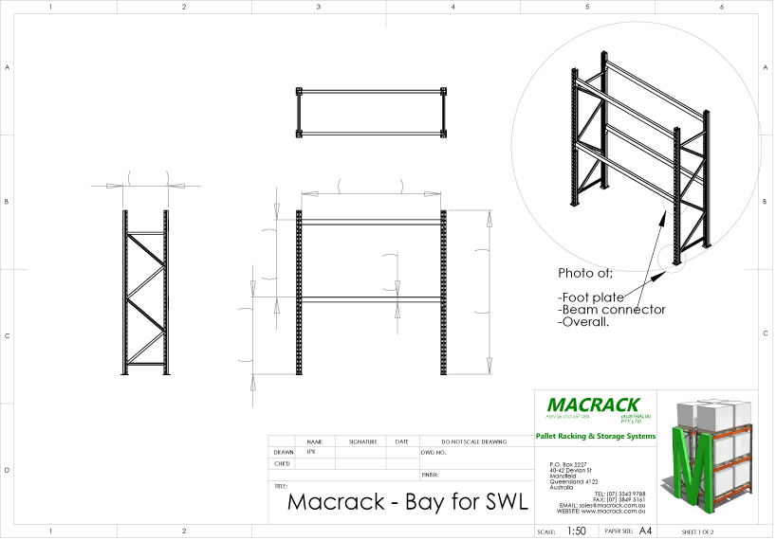

Frame Depth
Beam Length
2nd beam Height

Beam Height
Frame Height

1st Beam Height

xxxxx
1/02/2014

xxxxxx

